Case study
Targetted marketing case study

Consider an insurance company that is trying to optimize its advertising spend by focusing on a target market
that is more likely to like purchase a new product.

Past data for a similar product offering

 | Age | Product_purchased
 | 24 | 0
 | 31 | 1
 | 30 | 1
 | 27 | 0
 | 38 | 1
 | 37 | 0
 | 24 | 0
 | 30 | 1
 | 29 | 1
 | 20 | 0
 | 23 | 0
 | 28 | 0
 | 33 | 1
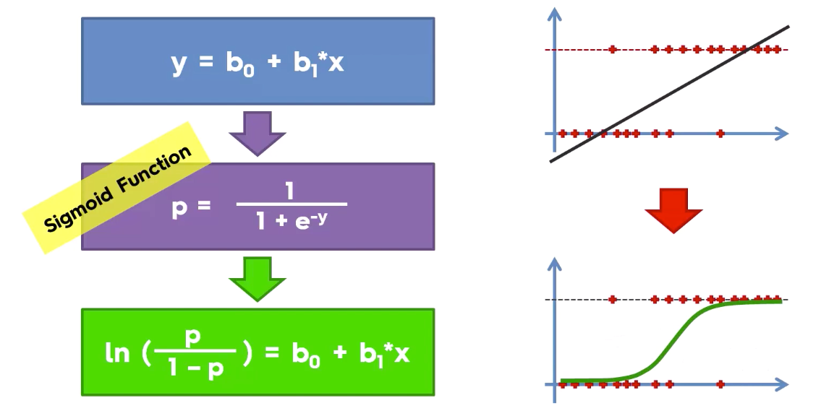
 | 36 | 1

 | Logistic regression is a linear classification model
 |  | It uses the sigmoid function to fit a math equation to our data

 | Classification
 | The final function doesn't predict a category as such.
 | It predicts the probability of y being equal to 1

 | P(Y=1) |  | exp^(mx+c) / (1 + exp^(mx+c))

 |  |  |  |  | optimal cutoff = 0.5

 |  | y_actual | y_predict_proba ( y = 1) |  | y_predict
 |  | 0 | 0.042 |  | 0
 |  | 1 | 0.468 |  | 0
 |  | 1 | 0.114 |  | 0
 |  | 0 | 0.163 |  | 0
 |  | 1 | 0.901 |  | 1
 |  | 0 | 0.615 |  | 1
 |  | 0 | 0.108 |  | 0
 |  | 1 | 0.795 |  | 1
 |  | 1 | 0.754 |  | 1
 |  | 0 | 0.050 |  | 0
 |  | 0 | 0.514 |  | 1
 |  | 0 | 0.153 |  | 0
 |  | 1 | 0.351 |  | 0
 |  | 1 | 0.925 |  | 1

 |  | Metrics used for evaluating classification models
 |  |  |  |  |  |  |  | y_actual | y_predict_proba
 |  | Based on probabilities |  |  |  |  |  | 0 | 0.2 |  |  |  | is my model
 |  | Concordance |  |  |  |  |  | 0 | 0.4 |  |  |  | able to distinguish
 |  | Discordance |  |  |  |  |  | 0 | 0.6 |  |  |  | between 0 and 1
 |  | roc_auc_score |  |  |  |  |  | 1 | 0.5 |  |  |  | properly
 |  |  |  |  |  |  |  | 1 | 0.7
 |  | Based on categorical output |  |  |  |  |  | 1 | 0.8
 |  | Confusion matrix
 |  | Classification report
 |  | accuracy score |  |  |  |  |  | Concordant pairs |  | 8 |  | are pairs where the probability of 1 is greater than that of 0
 |  |  |  |  |  |  |  | Discordant pairs |  | 1 |  | are pairs where the probability predicted for 1 is less than that of 0
 |  |  |  |  |  |  |  | Total pairs |  | 9

 |  |  |  |  |  |  |  | I want more concordant pairs

 |  |  |  |  |  |  |  | Concordance |  | 0.88888888889 | Concordant pairs / Total pairs
 |  |  |  |  |  |  |  | roc_auc_score
 |  |  |  |  |  |  |  |  |  | > 0.6

 |  |  |  |  | accuracy_score |  | =correct predictions / total observations
 |  | y_actual | y_predict
 |  | 0 | 1 |  | correct predictions |  | 5
 |  | 1 | 1 |  | total observations |  | 6
 |  | 1 | 1 |  |  |  | 0.83333333333
 |  | 1 | 1
 |  | 1 | 1
 |  | 1 | 1
 |  |  |  |  | Unbalanced data |  | Fraud transactions
 |  |  |  |  | 0
 |  |  |  |  | 1

 |  |  | Confusion matrix
 |  |  | cross tab of actuals vs predicted
 |  |  |  |  | Predicted
 |  |  |  |  | 0 | 1
 |  |  | Actuals | 0 | True Negative | False positive | total 0s in actual data |  | accuracy _score = (TN + TP) / Total
 |  |  |  | 1 | False negative | True positive | total 1s in actual data
 |  |  |  |  | total predicted 0s | total predicted 1

 |  |  | Recall ( denominator is the actuals) | Precision ( denominator has total predicted) |  | f1 score
 |  | 0 | TN/(TN+FP) | TN/(TN+FN)
 |  | 1 | TP/(FN+TP) | TP/(TP+FP)

 |  |  | Fraud detection

 |  |  | To come up with the best cutoff

 |  |  | 0, 0.1, 0.2, 0.3, 0.4, …1

 |  |  | Imbalanced data |  | convert it to balanced data

 |  | 0 | 950 |  | oversampling
 |  | 1 | 50 |  | 0 | 950
 |  |  | 1000 |  | 1 | 950
 |  |  |  |  | How to do this oversampling
 |  |  |  |  | either include duplicate records in your final training data
 |  |  |  |  | using a machine learning, I will try to generate
 |  |  |  |  | data which resembles the 1s already in my data.

 |  |  |  |  | undersampling

 |  |  |  |  | 0 | 50
 |  |  |  |  | 1 | 50

